README
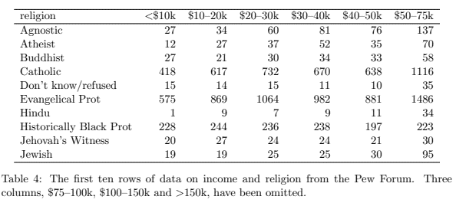
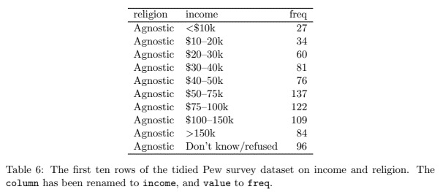
Submitting data
One worksheet in this spreadsheet for each data table
Submit data in a tidy format:
 | Each variable forms a column.
 | Each observation forms a row.
 | Each type of observational unit forms a table.
Name worksheets like this: data_title_of_your_data
No formatting (e.g. merged cells)
No empty columns/rows before or inside the data
Reasonably short and descriptive names
Include any required calculated fields (e.g. rolling averages)
No text after the data table (e.g. notes, caveats, definitions).
 | Save these separately in the text worksheet (see below)
 |  |  | L | J
 |  |  | This table is messy | This table is tidy

Submitting text
One row in the text worksheet per chart
 | Headline: Clear and concise statement of what the data means. This is often the only bit people read.
 |  | This headline is hard to understand: "The decrease in electorate compared with 2017 is 0.6% for the UK Parliament electorate in Scotland and 0.4% for the Scottish Parliament and Local Government electorate."
 |  | This headline is easier to understand: "There are slightly fewer people registered to vote compared to last year."
 |  | This headline is both easy to understand and meaningful: "This year saw a record number of people registered to vote"
 | Summary: Brief description of what's being shown
 | Discussion: Longer explanation of what the data shows and why it is important in the context of the current phase of the pandemic and the four harms
The average reading age in the UK is nine years old
Aim for an average sentence length of 12 words
Aim for Flesch-Kincaid reading ease score of 60 and over
 | Enable readability scores in MS Word: File > Options > Proofing > "Show readability statistics"
 | Get readability score: Review > Spelling & Grammar > Click through auto-corrections > Your score is at the bottom
Use markdown if you want formatting (e.g. bold text and links).
Use =NA() to indicate cells intentionally left blank

